Foglio1
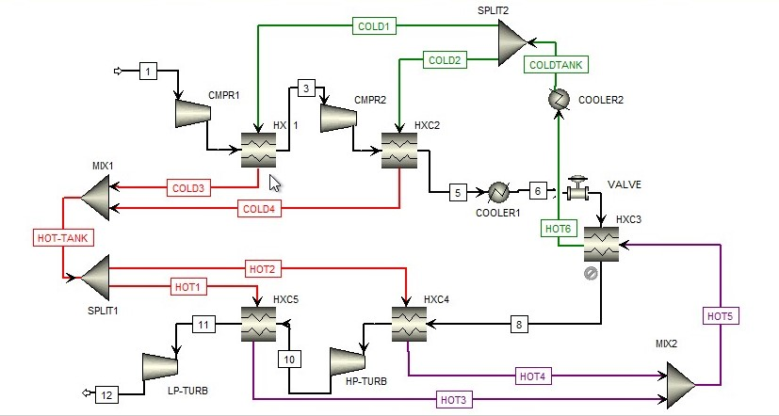
ADIABATIC CAES (pressurized water TES) |  |  |  |  | TASK1
 | Components | Streams | AIR
 | CMPR1 | 1 | WATER
 | HXC1 | 2 | WORK/HEAT |  | From
 | CMPR2 | 3 |  |  | To
 | HXC2 | 4 | Biopshere |  | Phase
 | COOL1 | 5 | T0 [K] | 298.15 | Temperature
 | CAVERN | 6 | P0 [bar] | 1 | Pressure
 | VALVE | 6' | y02 | 0.21 | Molar Enthalpy
 | HXC3 | 7 | yN2 | 0.79 | Mass Enthalpy
 | HXC4 | 8 | R kJ/kmol/K | 8.314 | Molar Entropy
 | HP-TURB | 9 | std ch.ex O2 | 3970 | Mass Entropy
 | HXC5 | 10 | std ch.ex N2 | 720 | Molar Density
 | LP-TURB | 11 | std ch.ex H2O (l) | 900 | Mass Density
 | MIX1 | 12 |  |  | Mole Flows
 | SPLIT1 | COLD1 |  |  | Mass Flows
 | MIX2 | COLD2 |  |  | Enthalpy, mixture (T=25(C) P=1(bar))
 | SPLIT2 | COLD3 |  |  | Entropy, mixture (T=25(C) P=1(bar))
 | COOL2 (fittitius) | COLD4 |  |  | Molar weigth
 |  | HT-IN | HOT-TANK |  | Physical exergy
 |  | HT-OUT |  |  | Physical exergy
 |  | HOT1 |  |  | Chemical exergy
 |  | HOT2 |  |  | Chemical exergy
 |  | HOT3 |  |  | Total Exergy
 |  | HOT4 |  |  | Total Exergy
 |  | HOT5 |  |  | Total Exergy
 |  | HOT6
 |  | CT-IN | COLD-TANK
...
Irreversibilities MW
 |  |  |  |  |  | from matlab |  |  |  | corrected values
 |  |  |  |  |  | IRREVERSIBILITIES | I(MW) |  |  | I(MW)
 |  |  |  |  |  |  | 2.239091621 |  | CMPR1 | 2.239091621
 |  |  |  |  |  |  | 1.19695391 |  | HXC1 | 1.19695391
 |  |  |  |  |  |  | 2.29835933 |  | CMPR2 | 2.29835933
 |  |  |  |  |  |  | 2.176678174 |  | HXC2 | 2.176678174
 |  |  |  |  |  |  | 0.03363164 |  | COOLER 1 | 0.03363164
 |  |  |  |  |  |  | 0 |  | CAVERN | 0
 |  |  |  |  |  |  | 4.93153082 |  | VALVE | 4.93153082
 |  |  |  |  |  |  | 0.363706421 |  | HXC3 | 0.363706421
 |  |  |  |  |  |  | 1.847084765 |  | HXC4 | 1.847084765
 |  |  |  |  |  |  | 2.49644797 |  | HP-TURB | 2.49644797
 |  |  |  |  |  |  | 0.988148627 |  | HXC5 | 0.988148627
 |  |  |  |  |  |  | 4.938993444 |  | LP-TURB | 4.938993444
 |  |  |  |  |  |  | 7.63E-06 |  | MIX1 | 0
 |  |  |  |  |  |  | 0 |  | HOT TANK | 0
 |  |  |  |  |  |  | 4.00E-09 |  | SPLIT1 | 0
 |  |  |  |  |  |  | 0.024853386 |  | MIX2 | 0
 |  |  |  |  |  |  | 3.267342208 |  | COOLER2 | 3.267342208
 |  |  |  |  |  |  | 0 |  | COLD TANK | 0
 |  |  |  |  |  |  | -4.44E-16 |  | SPLIT2 | 0
 |  |  |  |  |  |  |  |  |  | 26.77796893
...
 |  |  |  |  |  | from matlab
 |  |  |  |  |  | Exergy cost | E*(MW) | Unit exergy cost | k*
 |  |  |  |  |  |  | 0.481012231 |  | 0.99999999898
...

Economic ass.
PAY-BACK TIME
0 | -78515348.199
1 | -68337101.346
2 | -58645840.358
3 | -49418265.03
4 | -40632189.974
5 | -32266491.277
6 | -24301055.717
7 | -16716732.403
8 | -9495286.7344
9 | -2619356.5571
10 | 3927589.577
11 | 10161292.156
12 | 16096738.554
13 | 21748199.062
14 | 27129261.197
15 | 32252862.373
16 | 37131321.003
17 | 41776366.116
18 | 46199165.557
19 | 50410352.837
20 | 54420052.699
21 | 58237905.46
22 | 61873090.189
23 | 65334346.773
24 | 68629996.938
25 | 71767964.245
26 | 74755793.149
27 | 77600667.136
28 | 80309425.99
29 | 82888582.243
30 | 85344336.828
31 | 87682593.99
32 | 89908975.482
33 | 92028834.08
34 | 94047266.451
35 | 95969125.41
IRR | 13.45% | PBT | 9
 |  | 0 | -78515348.199
 |  | 1 | -68337101.346
 |  | 2 | -58645840.358
 |  | 3 | -49418265.03
 |  | 4 | -40632189.974
 |  | 5 | -32266491.277
 |  | 6 | -24301055.717
 |  | 7 | -16716732.403
 |  | 8 | -9495286.7344
 |  | 9 | -2619356.5571
 |  | 10 | 3927589.577
 |  | 11 | 10161292.156
 |  | 12 | 16096738.554
 |  | 13 | 21748199.062
 |  | 14 | 27129261.197
 |  | 15 | 32252862.373
 |  | 16 | 37131321.003
 |  | 17 | 41776366.116
 |  | 18 | 46199165.557
 |  | 19 | 50410352.837
 |  | 20 | 54420052.699
 |  | 21 | 58237905.46
 |  | 22 | 61873090.189
 |  | 23 | 65334346.773
 |  | 24 | 68629996.938
 |  | 25 | 71767964.245
 |  | 26 | 74755793.149
...

